Sheet1
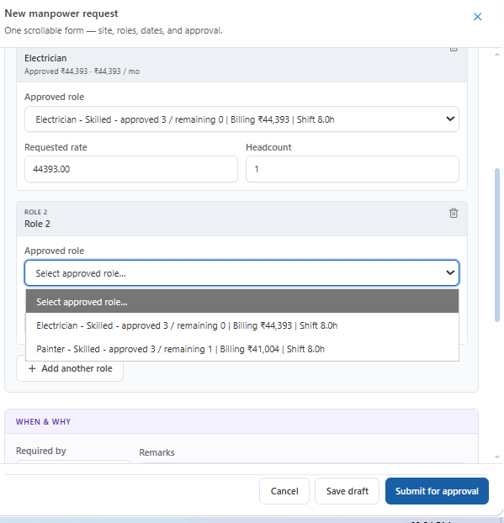
Sr | Observations | Snapshot
1 | If role 1 selected it should not show in Role 2 dropdown

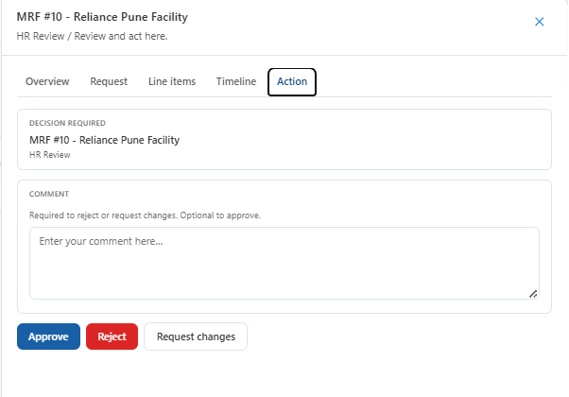
2 | Reject and request change are similar options, only one can be kept

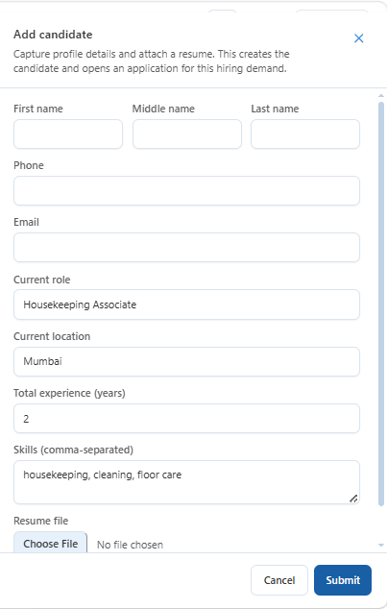

3 | In adding a candidate resume, white collar and blue collar, two options can be given

4 | Reports to be generated specific site/client wise.
5 | TAT to be included in approvals
6 | For Billable approval for finance and admin not required just in a special case i.e budget deviation, special requirement from client
7 | Source/Channel should be known for example Linked in, Naukri, reference, Whats app etc
8 | Resume upload should be in Billable and Nonbillable
9 | Budget is employee wise (As discussed with Prathmesh)
10 | We want following details such as who raised the request, what was the source /channel of the candidates and who closed it.

